2b. Find and Replace
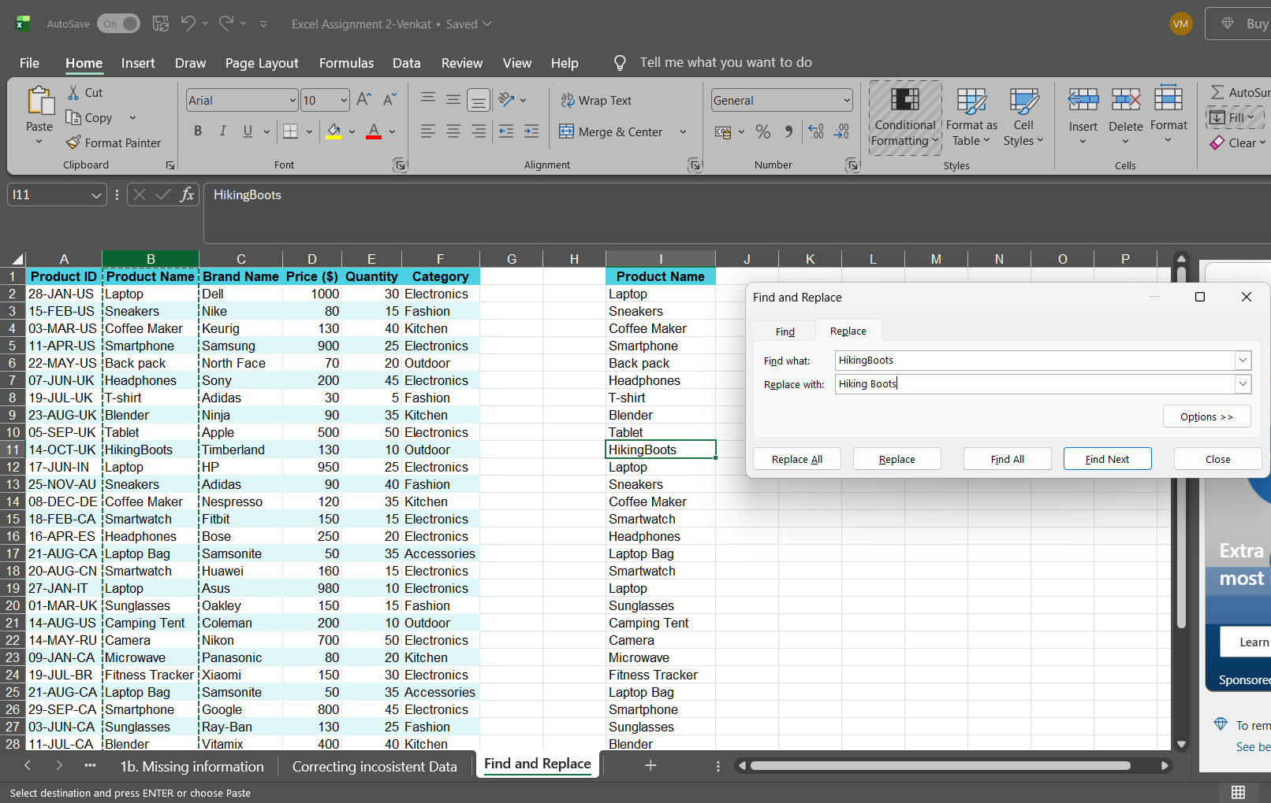
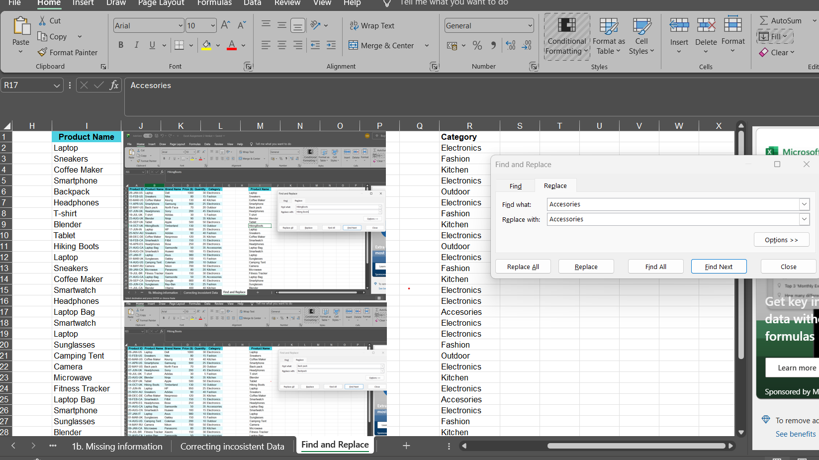
2 | Product Name | Brand Name | Price ($) | Quantity | Category | Product Name | Category
28-JAN-US | Laptop | Dell | 1000 | 30 | Electronics | Laptop | Electronics
15-FEB-US | Sneakers | Nike | 80 | 15 | Fashion | Sneakers | Fashion
03-MAR-US | Coffee Maker | Keurig | 130 | 40 | Kitchen | Coffee Maker | Kitchen
11-APR-US | Smartphone | Samsung | 900 | 25 | Electronics | Smartphone | Electronics
22-MAY-US | Backpack | North Face | 70 | 20 | Outdoor | Backpack | Outdoor
07-JUN-UK | Headphones | Sony | 200 | 45 | Electronics | Headphones | Electronics
19-JUL-UK | T-shirt | Adidas | 30 | 5 | Fashion | T-shirt | Fashion
23-AUG-UK | Blender | Ninja | 90 | 35 | Kitchen | Blender | Kitchen
05-SEP-UK | Tablet | Apple | 500 | 50 | Electronics | Tablet | Electronics
14-OCT-UK | Hiking Boots | Timberland | 130 | 10 | Outdoor | Hiking Boots | Outdoor
17-JUN-IN | Laptop | HP | 950 | 25 | Electronics | Laptop | Electronics
25-NOV-AU | Sneakers | Adidas | 90 | 40 | Fashion | Sneakers | Fashion
08-DEC-DE | Coffee Maker | Nespresso | 120 | 35 | Kitchen | Coffee Maker | Kitchen
18-FEB-CA | Smartwatch | Fitbit | 150 | 15 | Electronics | Smartwatch | Electronics
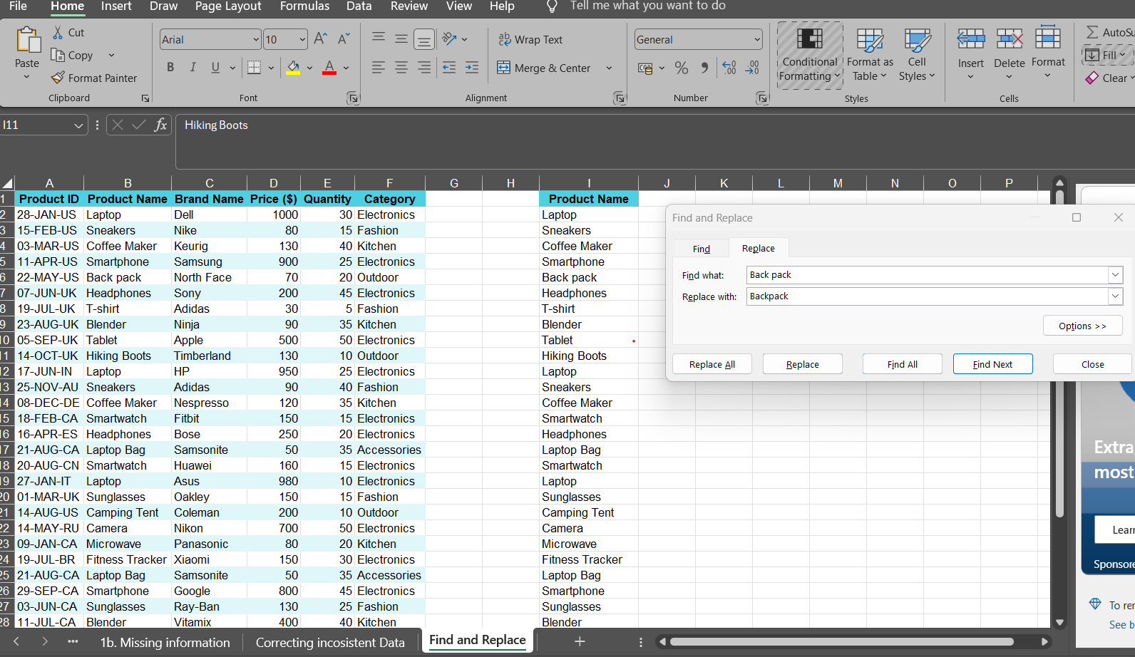
16-APR-ES | Headphones | Bose | 250 | 20 | Electronics | Headphones | Electronics
21-AUG-CA | Laptop Bag | Samsonite | 50 | 35 | Accesories | Laptop Bag | Accessories
20-AUG-CN | Smartwatch | Huawei | 160 | 15 | Electronics | Smartwatch | Electronics
27-JAN-IT | Laptop | Asus | 980 | 10 | Electronics | Laptop | Electronics
01-MAR-UK | Sunglasses | Oakley | 150 | 15 | Fashion | Sunglasses | Fashion
14-AUG-US | Camping Tent | Coleman | 200 | 10 | Outdoor | Camping Tent | Outdoor
14-MAY-RU | Camera | Nikon | 700 | 50 | Electronics | Camera | Electronics
09-JAN-CA | Microwave | Panasonic | 80 | 20 | Kitchen | Microwave | Kitchen
19-JUL-BR | Fitness Tracker | Xiaomi | 150 | 30 | Electronics | Fitness Tracker | Electronics
21-AUG-CA | Laptop Bag | Samsonite | 50 | 35 | Accesories | Laptop Bag | Accessories
29-SEP-CA | Smartphone | Google | 800 | 45 | Electronics | Smartphone | Electronics
03-JUN-CA | Sunglasses | Ray-Ban | 130 | 25 | Fashion | Sunglasses | Fashion
11-JUL-CA | Blender | Vitamix | 400 | 40 | Kitchen | Blender | Kitchen
16-APR-ES | Headphones | Bose | 230 | 20 | Electronics | Headphones | Electronics
07-MAR-CA | Dress | Zara | 60 | 30 | Fashion | Dress | Fashion
13-APR-CA | Toaster | Hamilton | 40 | 10 | Kitchen | Toaster | Kitchen
24-MAY-CA | Fitness Tracker | Garmin | 130 | 5 | Electronics | Fitness Tracker | Electronics
02-DEC-CA | Jeans | Levi's | 50 | 50 | Fashion | Jeans | Fashion
17-JUN-IN | Laptop | HP | 950 | 25 | Electronics | Laptop | Electronics
09-JUL-FR | Watch | Casio | 100 | 20 | Accesories | Watch | Accessories

 |  |  |  |  | Observations
 |  |  |  |  | 1.Used Find and Replace function (Ctrl+H) in product name column to correct "Back pack" and "HikingBoots" in given data set
 |  |  |  |  | 2. Used Find and Replace functions in category column to correct the word "Accessories" in given data set
 |  |  |  |  | NOTE: There were no typos in both product name and category column. I manually created those typos to explain how FIND AND REPLACE functions work. I've also pasted the screenshots as to how Find and replace works

